Script
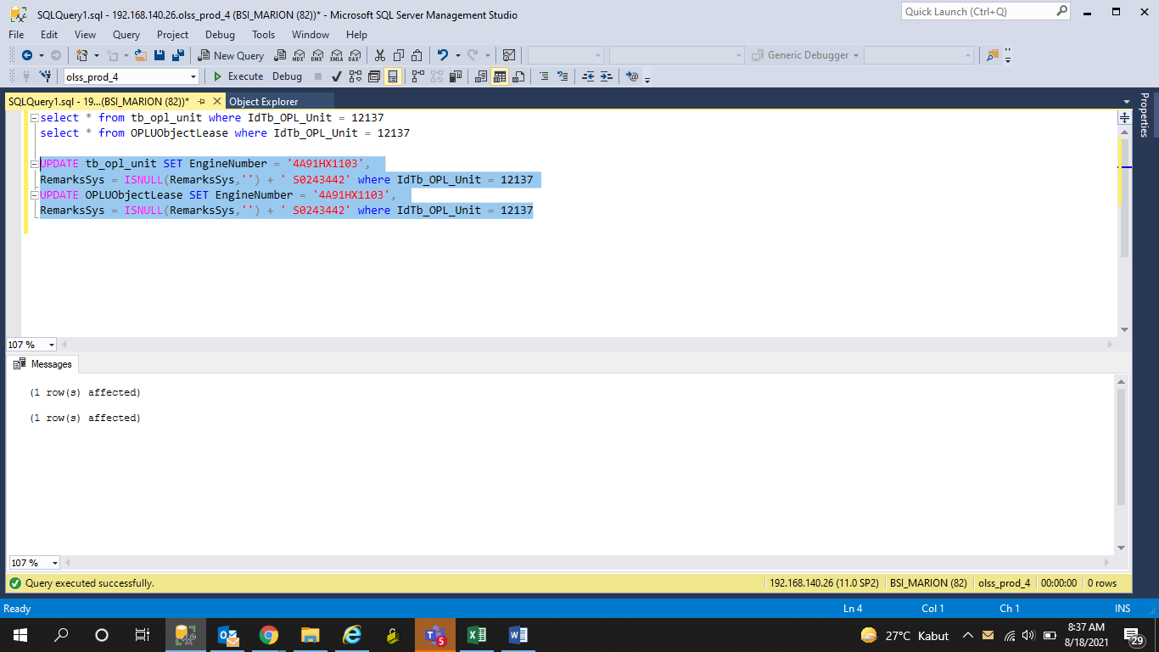
UPDATE tb_opl_unit SET EngineNumber = '4A91HX1103',
RemarksSys = ISNULL(RemarksSys,'') + ' S0243442' where IdTb_OPL_Unit = 12137
UPDATE OPLUObjectLease SET EngineNumber = '4A91HX1103',
RemarksSys = ISNULL(RemarksSys,'') + ' S0243442' where IdTb_OPL_Unit = 12137

Screenshot
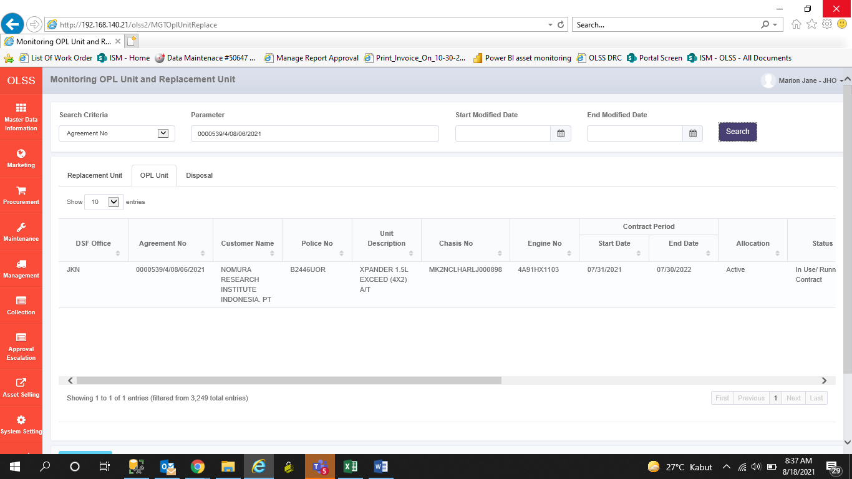
BEFORE
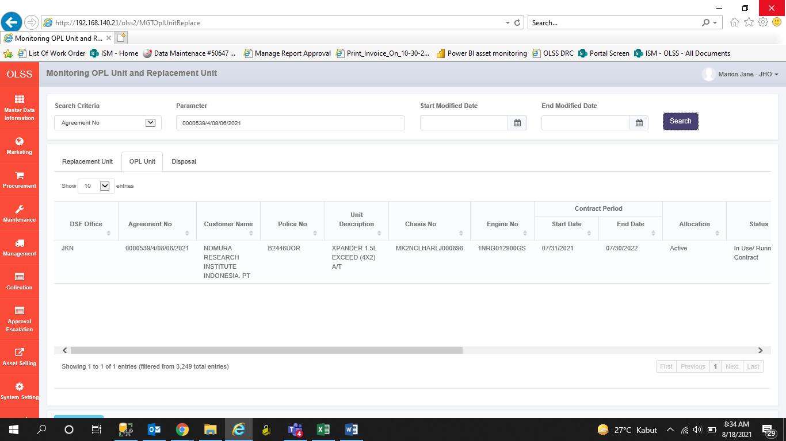

AFTER

